Chart3 (2)
year | class_used | countrycode | country | AOI average (2008-2012) | Lowest 20 |  | Agricultural Orientation Index (AOI) of Government Expenditures in Agriculture
ave 2008-2012 | GG | 143 | Morocco | 0.018985 | 1 |  |  | Lowest 20 and Top 20 countries
ave 2008-2012 | BA | 37 | Central African Rep | 0.03292 | 2 |  |  | AOI (2008-2013 average)
ave 2008-2012 | GG | 123 | Liberia | 0.040945 | 3
ave 2008-2012 | BA | 121 | Lebanon | 0.043878 | 4
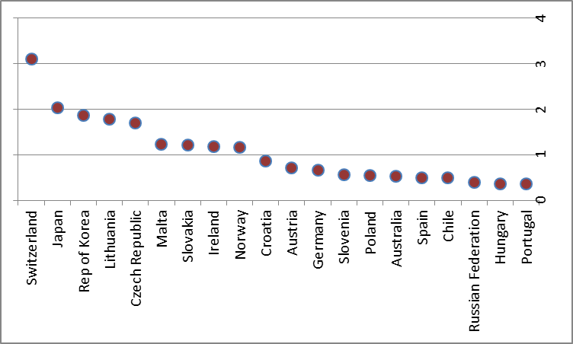
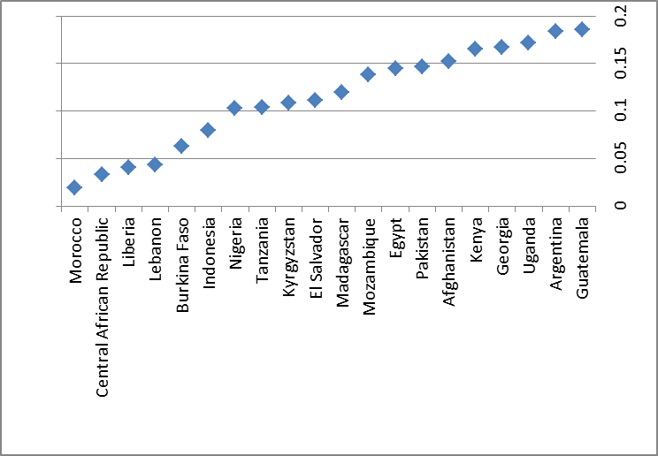
ave 2008-2012 | BA | 233 | Burkina Faso | 0.063461 | 5
ave 2008-2012 | GG | 101 | Indonesia | 0.08001 | 6
ave 2008-2012 | BA | 159 | Nigeria | 0.102616 | 7
ave 2008-2012 | GG | 215 | Tanzania | 0.10418 | 8
ave 2008-2012 | GG | 113 | Kyrgyzstan | 0.10836 | 9
ave 2008-2012 | GG | 60 | El Salvador | 0.111515 | 10
ave 2008-2012 | BA | 129 | Madagascar | 0.119384 | 11
ave 2008-2012 | BA | 299 | Palestine | 0.13171 | 12
ave 2008-2012 | GG | 144 | Mozambique | 0.138257 | 13
ave 2008-2012 | GG | 59 | Egypt | 0.144727 | 14
ave 2008-2012 | GG | 165 | Pakistan | 0.146744 | 15
ave 2008-2012 | BA | 2 | Afghanistan | 0.152277 | 16
ave 2008-2012 | GG | 114 | Kenya | 0.165105 | 17
ave 2008-2012 | GG | 73 | Georgia | 0.166946 | 18
ave 2008-2012 | BA | 226 | Uganda | 0.171542 | 19
ave 2008-2012 | CG | 9 | Argentina | 0.18393 | 20 | Top 20
ave 2008-2012 | GG | 202 | South Africa | 0.700556 |  | 20
ave 2008-2012 | GG | 11 | Austria | 0.706549 |  | 19
ave 2008-2012 | GG | 41 | China, mainland | 0.777757 |  | 18
ave 2008-2012 | GG | 108 | Kazakhstan | 0.801763 |  | 17
ave 2008-2012 | GG | 48 | Costa Rica | 0.81318 |  | 16
ave 2008-2012 | BA | 147 | Namibia | 0.830709 |  | 15
ave 2008-2012 | BA | 98 | Croatia | 0.858915 |  | 14
ave 2008-2012 | GG | 57 | Belarus | 0.920114 |  | 13
ave 2008-2012 | GG | 50 | Cyprus | 0.925423 |  | 12
ave 2008-2012 | BA | 209 | Swaziland | 1.04185 |  | 11
ave 2008-2012 | GG | 20 | Botswana | 1.12396 |  | 10
ave 2008-2012 | GG | 162 | Norway | 1.1564 |  | 9
ave 2008-2012 | GG | 104 | Ireland | 1.17955 |  | 8
ave 2008-2012 | GG | 199 | Slovakia | 1.21958 |  | 7
ave 2008-2012 | GG | 137 | Mauritius | 1.22094 |  | 6
ave 2008-2012 | GG | 134 | Malta | 1.23171 |  | 5
ave 2008-2012 | GG | 167 | Czech Republic | 1.70474 |  | 4
ave 2008-2012 | GG | 126 | Lithuania | 1.78086 |  | 3
ave 2008-2012 | GG | 117 | Rep of Korea | 1.85835 |  | 2
ave 2008-2012 | GG | 110 | Japan | 2.02527 |  | 1

